Sheet1
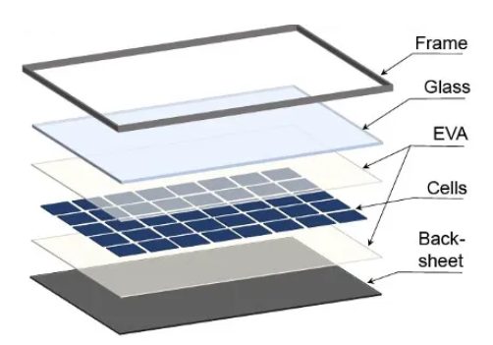
THERMAL PROPERTIES
Material | Density [kg/m³] | Thermal Conductivity [W/(m·K)] | Specific Heat Capacity [J/(kg·K)]
ETFE | 1730 | 0.24 | 1172
EVA | 945 | 0.35 | 2090
Silicon | 2330 | 148 | 700
PET | 1350 | 0.275 | 1275
Glass | 3000 | 1.8 | 500
Aluminium | 2800 | 160 | 896

Material | Density [kg/m³] | Thermal Conductivity [W/(m·K)] | Specific Heat Capacity [J/(kg·K)] | Relative Permitivity | Relative Permeability | Bulk Conductivity | Dielectric Loss Tangent | Magnetic Loss Tangent
ETFE | 1730 | 0.24 | 1172 | 2.6 | 1 | 1.00E-14 | 0.001 | 0
EVA | 945 | 0.35 | 2090 | 2.9 | 1 | 1.00E-14 | 0.01 | 0
Silicon | 2330 | 148 | 700 | 11.7 | 1 | 55 | 0.001 | 0
PET | 1350 | 0.275 | 1275 | 3 | 1 | 1.00E-14 | 0.02
Glass | 3000 | 1.8 | 500 | 6.5
Aluminium | 2800 | 160 | 896

